Order Form
 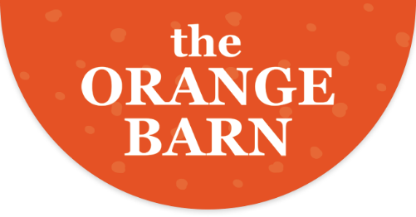 THE ORANGE BARN ORDER FORM Supporting Tavistock Minor Hockey Tentative Pick-up at the arena - Wednesday, February 22nd, 2023
Name: | Phone:

NUTS (1 lb. Bag) | Price | QTY | Total
Pecans | $18.50 |  | -
Cashews | $17.50 |  | -
Walnuts (Tavi Titan Favourite!) | $13.50 |  | -
Mixed Nuts | $17.50 |  | -
Double-Dipped Choc Covered Peanuts | $15.50 |  | -
Choc Covered Almods | $16.50 |  | -
Choc Covered Raisins | $15.50 |  | -

California Navel ORANGES Large to extra large fruit, round to oval, deep yellow to orange colour. Pebbly, medium thick peel. Usually seedless. Peels and sections very easily. | Price | QTY | Total
40 lb box (approx 72) | $56.50 |  | -
20 lb box (approx 36) | $35.00 |  | -
8 lb bag (approx 15-16) | $19.00 |  | -
 |  |  | -
Florida GRAPEFRUIT Medium to large size, usually flattened at each end. Smooth yellow peel with areas of pink to red blush. Segments have a characteristic pink to reddish tinge. Few seeds. Great for eating or juice! | Price | QTY | Total
40 lb box (approx 32) | $67.00 |  | -
20 lb box (approx 16) | $40.00 |  | -
8 lb bag (approx 6-7) | $21.50 |  | -
 |  |  | $0.00

Please email orders to julie.wynette@gmail.com by February 2nd
etransfer (preferred) tdmha@yahoo.com Password Titans **Include "Citrus Order" in Notes

